OFFER
 |  |  |  |  |  |  |  |  |  |  |  | 12,867,783 | 23,229
Marchio | Linea | Rag. Sociale | Modello | Parte | Colore | Descrizione | Type | MID | Compo | Size | RRP | TTL RRP | Disponibile | Foto
MI | MD | MISSONI S.P.A. | DS22SL0U | BK029C | SM92L | T-SHIRT | Knitwear | ITFUT21PIE | EXTERNAL:47%Rayon, 40%Wool, 9%Metal Fiber, 4%Polyamide |  |  |  |  | 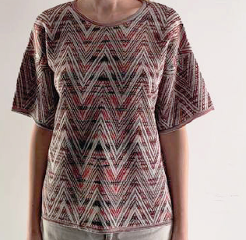
 |  |  |  |  |  |  |  |  |  | L | 434.00 € | 252,154.00 € | 581
 |  |  |  |  |  |  |  |  |  | M | 434.00 € | 253,456.00 € | 584
 |  |  |  |  |  |  |  |  |  | S | 434.00 € | 122,822.00 € | 283
 |  |  |  |  |  |  |  |  |  | XL | 434.00 € | 122,822.00 € | 283
MI | MD | MISSONI S.P.A. | DS22SL0U | BK029C | SM92I | T-SHIRT | Knitwear | ITFUT21PIE | EXTERNAL:47%Rayon, 40%Wool, 9%Metal Fiber, 4%Polyamide
 |  |  |  |  |  |  |  |  |  | L | 434.00 € | 273,420.00 € | 630
 |  |  |  |  |  |  |  |  |  | M | 434.00 € | 272,986.00 € | 629
 |  |  |  |  |  |  |  |  |  | S | 434.00 € | 134,974.00 € | 311
 |  |  |  |  |  |  |  |  |  | XL | 434.00 € | 135,842.00 € | 313
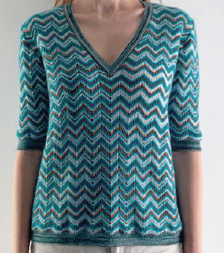
MI | MD | MISSONI S.P.A. | DS22SN2E | BK029A | SM92B | MAGLIA | Knitwear | ITFUT21PIE | EXTERNAL:32%Mohair goat, 28%Rayon, 23%Wool, 17%Polyamide
 |  |  |  |  |  |  |  |  |  | L | 479.00 € | 307,039.00 € | 641
 |  |  |  |  |  |  |  |  |  | M | 479.00 € | 307,039.00 € | 641
 |  |  |  |  |  |  |  |  |  | S | 479.00 € | 158,070.00 € | 330
 |  |  |  |  |  |  |  |  |  | XL | 479.00 € | 152,322.00 € | 318
MI | MD | MISSONI S.P.A. | DS22SN2E | BK029A | SM92C | MAGLIA | Knitwear | ITFUT21PIE | EXTERNAL:32%Mohair goat, 28%Rayon, 23%Wool, 17%Polyamide
 |  |  |  |  |  |  |  |  |  | L | 479.00 € | 309,434.00 € | 646
 |  |  |  |  |  |  |  |  |  | M | 479.00 € | 302,249.00 € | 631
 |  |  |  |  |  |  |  |  |  | S | 479.00 € | 158,070.00 € | 330
 |  |  |  |  |  |  |  |  |  | XL | 479.00 € | 159,028.00 € | 332
MI | MD | MISSONI S.P.A. | DS22SN2E | BK029A | SM929 | MAGLIA | Knitwear | ITFUT21PIE | EXTERNAL:32%Mohair goat, 28%Rayon, 23%Wool, 17%Polyamide
 |  |  |  |  |  |  |  |  |  | L | 479.00 € | 315,182.00 € | 658
 |  |  |  |  |  |  |  |  |  | M | 479.00 € | 314,703.00 € | 657
 |  |  |  |  |  |  |  |  |  | S | 479.00 € | 160,944.00 € | 336
 |  |  |  |  |  |  |  |  |  | XL | 479.00 € | 154,717.00 € | 323
MI | MD | MISSONI S.P.A. | DS22SN2E | BK029A | SM92A | MAGLIA | Knitwear | ITFUT21PIE | EXTERNAL:32%Mohair goat, 28%Rayon, 23%Wool, 17%Polyamide
 |  |  |  |  |  |  |  |  |  | L | 479.00 € | 322,846.00 € | 674
 |  |  |  |  |  |  |  |  |  | M | 479.00 € | 313,266.00 € | 654
 |  |  |  |  |  |  |  |  |  | S | 479.00 € | 158,549.00 € | 331
 |  |  |  |  |  |  |  |  |  | XL | 479.00 € | 162,381.00 € | 339
MI | MD | MISSONI S.P.A. | DS22SN2E | BK029A | SM928 | MAGLIA | Knitwear | ITFUT21PIE | EXTERNAL:32%Mohair goat, 28%Rayon, 23%Wool, 17%Polyamide
 |  |  |  |  |  |  |  |  |  | L | 479.00 € | 311,350.00 € | 650
 |  |  |  |  |  |  |  |  |  | M | 479.00 € | 313,745.00 € | 655
 |  |  |  |  |  |  |  |  |  | S | 479.00 € | 156,154.00 € | 326
 |  |  |  |  |  |  |  |  |  | XL | 479.00 € | 158,070.00 € | 330
MI | MD | MISSONI S.P.A. | DS22SN2F | BK029B | SM92E | MAGLIA | Knitwear |  | EXTERNAL:56%Rayon, 23%Cotton, 19%Wool, 2%Polyamide |  |  |  | 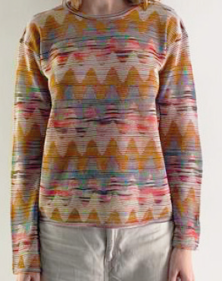
 |  |  |  |  |  |  |  |  |  | L | 673.00 € | 458,313.00 € | 681
 |  |  |  |  |  |  |  |  |  | M | 673.00 € | 457,640.00 € | 680
 |  |  |  |  |  |  |  |  |  | S | 673.00 € | 227,474.00 € | 338
 |  |  |  |  |  |  |  |  |  | XL | 673.00 € | 232,185.00 € | 345
MI | MD | MISSONI S.P.A. | DS22SN2F | BK029B | SM92G | MAGLIA | Knitwear |  | EXTERNAL:56%Rayon, 23%Cotton, 19%Wool, 2%Polyamide
 |  |  |  |  |  |  |  |  |  | L | 673.00 € | 431,393.00 € | 641
 |  |  |  |  |  |  |  |  |  | M | 673.00 € | 439,469.00 € | 653
 |  |  |  |  |  |  |  |  |  | S | 673.00 € | 219,398.00 € | 326
 |  |  |  |  |  |  |  |  |  | XL | 673.00 € | 218,725.00 € | 325
MI | MD | MISSONI S.P.A. | DS22SN2F | BK029B | SM92H | MAGLIA | Knitwear |  | EXTERNAL:56%Rayon, 23%Cotton, 19%Wool, 2%Polyamide
 |  |  |  |  |  |  |  |  |  | L | 673.00 € | 435,431.00 € | 647
 |  |  |  |  |  |  |  |  |  | M | 673.00 € | 435,431.00 € | 647
 |  |  |  |  |  |  |  |  |  | S | 673.00 € | 214,687.00 € | 319
 |  |  |  |  |  |  |  |  |  | XL | 673.00 € | 215,360.00 € | 320
MI | MD | MISSONI S.P.A. | DS22SN2F | BK029B | SM92D | MAGLIA | Knitwear |  | EXTERNAL:56%Rayon, 23%Cotton, 19%Wool, 2%Polyamide
 |  |  |  |  |  |  |  |  |  | L | 673.00 € | 439,469.00 € | 653
 |  |  |  |  |  |  |  |  |  | M | 673.00 € | 442,834.00 € | 658
 |  |  |  |  |  |  |  |  |  | S | 673.00 € | 216,706.00 € | 322
 |  |  |  |  |  |  |  |  |  | XL | 673.00 € | 220,071.00 € | 327
MI | MD | MISSONI S.P.A. | DS22SN2F | BK029B | SM92F | MAGLIA | Knitwear |  | EXTERNAL:56%Rayon, 23%Cotton, 19%Wool, 2%Polyamide
 |  |  |  |  |  |  |  |  |  | L | 673.00 € | 434,758.00 € | 646
 |  |  |  |  |  |  |  |  |  | M | 673.00 € | 435,431.00 € | 647
 |  |  |  |  |  |  |  |  |  | S | 673.00 € | 216,706.00 € | 322
 |  |  |  |  |  |  |  |  |  | XL | 673.00 € | 212,668.00 € | 316

